1.3.31 Vs 1.3.32
Priority | 1.3.31 Version | 1.3.32 Version
High | 1 | 1
Medium | 1 | 1
Low | 3 | 9
Bug Delta 1.3.31 VS 1.3.32

App tour -Test Cases
Sr. No. | Test Scenarios | Steps | Test Case | Dependency | Remarks | UI Screens | Developer Comments | Android Pass/Fail
1 | 1. New App Launch 2. User uninstalls the app and Reinstall on the same device 3. Clear data / Cache from OS settings | App launch > App loading screen | 1. App loading screen with MirAIe logo with Connected living text. |  | Loading Screen image after app launch Pixel phones will show 2 screens | 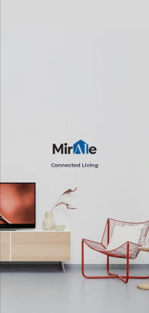 |  | Pass
2 |  | User onboarding screen 1 | Connected Devices Connect all your compatible smart devices with the MirAIe App. (With Graphics image) |  | a. Scrolling screen to right will show scren 2 b. With 1 of 3 highlighted dots | 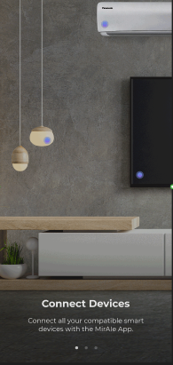 |  | Pass
3 |  | User onboarding screen 2 | Control Appliances Control your devices on the go from the MirAIe App. (With Graphics image) |  | a. Scrolling screen 2 from left side will show screen 1 b. Scrolling screen 2 from right side with move to screen 3 c. With 2 of 3 highlighted dots | 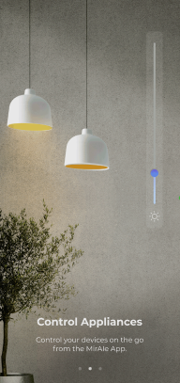 |  | Pass
4 |  | User onboarding screen 3 | Sit back and relax Automate controls, quickly raise service requests and live the MirAIe life. Get Started button (With Graphics image) |  | a. Scrolling screen 3 from left side will show screen 2 b. With 3 of 3 highlighted dots | 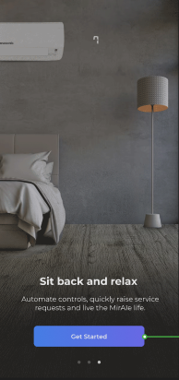 |  | Pass
5 | Login / Sign up screen after user clicks on Get started button | User can able to see Login/Sign up and Forgot password? Details on the screen | User will land to Login/Sign up screen after App tour ends |  | Normal journey will continue for Login / Sign up |  |  | Pass
6 | First time user sign up journey | Click on Sign up > Enter mobile / email and registered | User will land to setup Home details page after successfully completed sign up for new user |  | In previous implement user land to App tour journey after new register successful |  |  | Pass

7 | From the App Setting Screen | App launch > User Login > Go to app settings screen > Click on Welcome To MirAIe option | User able to click on Welcome to MirAIe option from app setting screen |  |  | 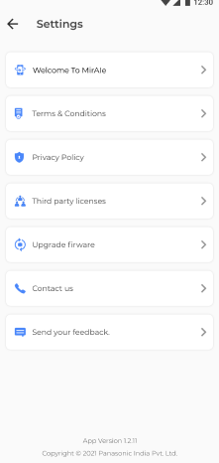 |  | Pass
8 |  | App launch > User Login > Go to app settings screen > Click on Welcome To MirAIe option > App Tour - Slide 1 | a. Connected Devices Connect all your compatible smart devices with the MirAIe App. b. Navigate back to app setting screen if user clicks on Back button on the top left hand corner. (With Graphics image) |  | a. Scrolling screen to right will show scren 2 b. With 1 of 3 highlighted dots | 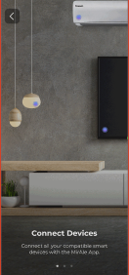 |  | Pass
9 |  | App launch > User Login > Go to app settings screen > Click on Welcome To MirAIe option > App Tour - Slide 2 | a. Control Appliances Control your devices on the go from the MirAIe App. b. Navigate back to app setting screen if user clicks on Back button on the top left hand corner. (With Graphics image) |  | a. Scrolling screen 2 from left side will show screen 1 b. Scrolling screen 2 from right side with move to screen 3 c. With 2 of 3 highlighted dots | 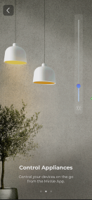 |  | Pass
10 |  | App launch > User Login > Go to app settings screen > Click on Welcome To MirAIe option > App Tour - Slide 3 | a. Sit back and relax Automate controls, quickly raise service requests and live the MirAIe life. b. Navigate back to app setting screen after user move screen to right. c. Navigate back to app setting screen if user clicks on Back button on the top left hand corner. (With Graphics image) |  | a. Scrolling screen 3 from left side will show screen 2 b. With 3 of 3 highlighted dots | 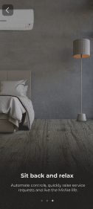 |  | Pass
11 |  | App launch > User Login > Go to app settings screen > Click on Welcome To MirAIe option > App Tour ends > Click on back button | Navigate back to app setting screen after App Tour ends screen by clicking on back button |  | Clicks back button user will land to App setting screen | UI Team need to provide Done or close option |  | Pass

12 | Kill the app in between app tour after app launch. | App launch > App tour slides | Only after the screens are completely shown, it will be remembered and not shown again in the next launch. If user has not seen them completely, it has to show up again |  | The goal is user should see it atleast once completely |  |  | Pass

Srilanka User
Sr No | Scenario | Expected Result | Pass/Fail | Remarks
1 | Srilanka User >Login [Primary Login :Mobile Number} | Login must be Successful | Pass
2 | Login- Srilanka User [Primary : Email ID} | Login must be Successful | Pass
3 | Login with non-verifed username | Invalid username or password . Please use verifed credentials Only | Pass
4 | Sri Lanka user>Sign Up | Sign up must be successful and User must be able to login with registered credentials | Pass | sriuser1.3.32@yopmail.com / Pana@1234
5 | Sri Lanka user > Forgot Password | User must able to change password using forgot Password Journey | Pass
6 | Singapore user> Sign Up > Accept and Not Now | Click on Accept user must see App tour with Skip and Swipe App Tour | Pass
7 | Singapore user> Sign Up > Accept and Not Now > App Tour>Add Device | Click on Add Device User must able to see Onboarding for Air Conditioner | NA
8 | Login Sri Lanka User >Profile >MirAIe Tab | Name , Email ID [Verified or Verify] , Mobile No [Verified or Verfiy] , Home , Update Location ,Change language , Change Password , Logout | Pass
9 | Login Sri Lanka User >Profile >others | Link Alexa Account | Not Tested | Link Alexa Account - Not Tested
10 | Login Sri Lanka User >Profile>MirAie Tab>Change language | English (Default), Tamil | Pass
11 | Login Sri Lanka User>Profile>MirAie Tab>Change language to Tamil | 1. App language change to Tamil 2. No font change 3. No Boxed icons | Pass
12 | Login Sri Lanka User >Setting | App Tour , Terms & Conditions , Privacy Policy , Third Party Licenses , Upgrade Firmware , Contact Us , Send your Feedback | Pass
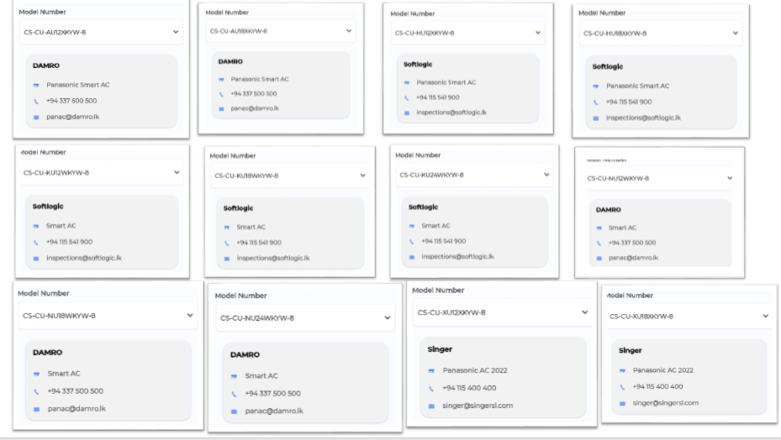
13 | Login Sri Lanka User >Setting>Upgrade Firmware |  | Pass | Just checked for option and not done actual Upgrade Firmware
14 | Login Sri Lanka User >Setting >Contact Us | Support Models must show with distributor details | Pass
15 | Login Sri Lanka User >Click on "+" Button in Dashboard | Must Support Air Conditioner | Pass
16 | Login Sri Lanka User >Click on "+" Button in Room | Must Support Air Conditioner | Pass
17 | Login Sri Lanka User > On-boarding for Some Appliance from Dashboard | On-boarding must be successful | Pass | Done for AC
18 | Login Sri Lanka User > On-boarding for Some Appliance from Room | On-boarding must be successful and Device must listed in that particular ROOM | Pass
19 | Login Sri Lanka User >Click on ROOM >Device listing in ROOM | In ROOM , AC must show | Pass
20 | Login Sri Lanka User> Control AC from Dashboard | Control Power ON / Off , Change mode for AC -Auto , Cool , Dry , FAN , Change temperature from Min 16 to max 30 , Online and Offline Status with Green Dot | Pass
21 | Login Sri Lanka User > Control AC from AC Details Page | Control Power ON / Off , Change mode for AC -Auto , Cool , Dry , FAN , Change temperature from Min 16 to max 30 , Change FAN Speed from Auto , high , low , medium and quiet , Enable /Disable AC Display , Enable/Disable Jetstream/Powerful Mode , Change Vertical Swing from 0 to 5 level , Change Horizontal Swing from 0 to 5 level , Change , Enable/Disable nanoe , Enable/Disable Econavi , Enable/Disable Clean Mode | Pass
22 | Login Sri Lanka User> Control AC from AC Details Page >Default /Custom Sleep Profile | 1. Enable/Disable Default Profile 2. Create Custom Profile [2 Minimum Hours and 8 Maximum Hour] 3. Enable and Disable Custom profile | Pass
23 | Login Sri Lanka User > Control AC from AC Details Page >ON Timer and OFF Timer | Timer ON - Switch ON AC Timer OFF - Switch OFF AC | Not Tested | No have HAMCU Support AC with Timer
24 | Login Sri Lanka user > Select Any product > go to setting page > Click on Remove Device [offboarding Product] | User must not able to see product in dashboard after offboarding | Pass
25 | Login Singapore User> Control All Onboarded device from Room | User must able to control device | Pass

Nepal User
Sr No | Scenario | Expected Result | Pass/Fail | Remarks
1 | Nepal User >Login [Primary Login :Mobile Number} | Login must be Successful | Pass
2 | Login- Nepal User [Primary : Email ID} | Login must be Successful | Pass
3 | Login with non-verifed username | Invalid username or password . Please use verifed credentials Only | Pass
4 | Nepal user>Sign Up | Sign up must be successful and User must be able to login with registered credentials | Pass | nepaluser1.3.32@yopmail.com / Pana@1234
5 | Nepal user> Sign Up > CACcept and Not Now | Click on CACcept user must see App tour with Skip and Swipe App Tour | Pass
6 | Nepal user> Sign Up > CACcept and Not Now > App Tour>Add Device | Click on Add Device User must able to see Onboarding for Air Conditioner | NA
7 | Nepal user > Forgot Password | User must able to change password using forgot Password Journey | Pass
8 | Login Nepal User >Profile >MirAIe Tab | Name , Email ID [Verified or Verify] , Mobile No [Verified or Verfiy] , Home , Update Location ,Change language , Change Password , Logout | Pass
9 | Login Nepal User >Profile >others | Link Alexa CACcount | Not Tested | Link Alexa Account - Not Tested
10 | Login Nepal User >Profile>MirAie Tab>Change language | English (Default) | Pass
11 | Login Nepal User >Setting | App Tour , Terms & Conditions , PrivCACy Policy , Third Party Licenses , Upgrade Firmware , ContCACt Us , Send your FeedbCACk | Pass
12 | Login Nepal User >Setting>Upgrade Firmware |  | Pass | Just checked for option and not done CACtual Upgrade Firmware
13 | Login Nepal User >Setting >ContCACt Us | Support Models must show with distributor details | Pass | 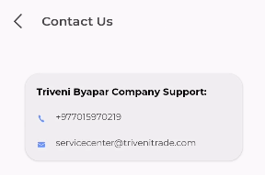
14 | Login Nepal User >Click on "+" Button in Dashboard | Must Support CCAC | NT
15 | Login Nepal User >Click on "+" Button in Room | Must Support CCAC | NT
16 | Login Nepal User > On-boarding for Some Appliance from Dashboard | On-boarding must be successful | Pass
17 | Login Nepal User > On-boarding for Some Appliance from Room | On-boarding must be successful and Device must listed in that particular ROOM | Pass
18 | Login Nepal User >Click on ROOM >Device listing in ROOM | In ROOM , CAC must show | Pass
19 | Login Nepal User> Control CAC from Dashboard | Control Power ON / Off , Change mode for CAC -Auto , Cool , Dry , FAN , Change temperature from Min 16 to max 30 , Online and Offline Status with Green Dot | Pass
20 | Login Nepal User > Control CAC from CAC Details Page | Control Power ON / Off , Change mode for CAC -Auto , Cool , Dry , FAN , Change temperature from Min 16 to max 30 , Change FAN Speed from Auto , high , low , medium and quiet , Enable /Disable CAC Display , Enable/Disable Jetstream/Powerful Mode , Change Vertical Swing from 0 to 5 level , Change Horizontal Swing from 0 to 5 level , Change , Enable/Disable nanoe , Enable/Disable Econavi , Enable/Disable Clean Mode | Pass
21 | Login Nepal User> Control CAC from CAC Details Page >Default /Custom Sleep Profile | 1. Enable/Disable Default Profile 2. Create Custom Profile [2 Minimum Hours and 8 Maximum Hour] 3. Enable and Disable Custom profile | Pass
22 | Login Nepal User> Control CAC from CAC Details Page >ON Timer and OFF Timer | Timer ON - Switch ON CAC Timer OFF - Switch OFF CAC | Not Tested | HAMCU not supported
23 | Login Nepal User > Select Any product > go to setting page > Click on Remove Device [offboarding Product] | User must not able to see product in dashboard after offboarding | Pass
24 | Login Singapore User> Control All Onboarded device from Room | User must able to control device | Pass

Push Notification
Product | Use Case | Notifications Contents | Landing Page | Pass/Fail
Refrigerator | Fridge/Freezer Door Open | Title Fridge/Freezer Door Open Body Your fridge/freezer door is open. Please ensure to close the door firmly and protect your food from spoiling. | Refrigerator Details Page | Pass
Refrigerator | Power Outage | Title Power Outage Body Your refrigerator power supply was interrupted. Check the quality of Refrigerator content before consuming. | Refrigerator Details Page | Pass
Airconditioner , Smart Profile | Rule Notification for AC and Smart Profile | Title Rule activation successful Body Rule '<ruleName>' activated successfully. Tap to see the rule. | Sleep Profile page | Pass
Washing Machine -FLWM | Washing Completed | Title Washing Completed Body Washing completed. Please do not keep washed out clothes for long in the washing machine. | Wash Progress Page | Pass
Washing Machine -FLWM | Washing Paused/Stopped | Title Washing Completed Body <Device Name>: Current wash cycle is paused/Stopped | Wash Progress Page | Pass
Washing Machine -TLWM | Washing Completed | Title Washing Completed Body Washing completed. Please do not keep washed out clothes for long in the washing machine. | Wash Progress Page | Pass
Washing Machine -TLWM | Washing Paused/Stopped | Title Washing Paused/Stopped Body <Device Name>: Current wash cycle is paused/Stopped | Wash Progress Page | Pass
Washing Machine -TLWM | Washing Paused -Auto Pause [After Soak] | Title Washing Paused Body <Device Name>: paused After Soak | Wash Progress Page | Pass
Washing Machine -TLWM | Washing Paused -Auto Pause [After Wash] | Title Washing Paused Body <Device Name>: paused After Wash | Wash Progress Page | Pass
Washing Machine -TLWM | Washing Paused -Auto Pause [After Rinse 1] | Title Washing Paused Body <Device Name>: paused After Rinse 1 | Wash Progress Page | Pass
Washing Machine -TLWM | Washing Paused -Auto Pause [Before last Rinse] | Title Washing Paused Body <Device Name>: paused Before Last Rinse | Wash Progress Page | Pass
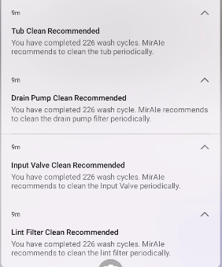
Washing Machine -TLWM | Drain Pump Clean Recommended | Title Drain Pump Clean Recommended Body You have completed … wash cycle. MirAIe recommends to clean the drain pump filter periodically. | Landing Page [Home Screen] | Pass
Washing Machine -TLWM | Tub Clean Recommended | Title Tub Clean Recommended Body You have completed… wash cycle . MirAIe recommends to clean the Tub periodically. | Landing Page[Setting>Clean Tub] | Pass
Washing Machine -TLWM | Input Valve Clean Recommended | Title Input Valve Clean Recommended Body You have completed.. Wash cycle. MirAie recommended to clean the Input Valve periodically. | Landing Page[Setting>Clean Input Valve] | Pass
Washing Machine -TLWM | Lint filter Clean Recommended | Title Lint filter Clean Recommended Body You have completed.. Wash cycle. MirAie recommended to clean the lint filter periodically. | Landing Page[Setting>Clean Lint Fitler] | Pass
VDP | Bell Ring | Title Button Pressed Body Some rang the front door bell .Tap to know who | VDP Details Page | NT
VDP | Motion Detection | Title Pir Triggered Body A motion is detected by your door bell | VDP Details Page | NT
VDP | Battery Low | Title Battery Low Body Your door bell is discharging fast. Please plug it to a power source to avoid disconnection . | VDP Details Page | NT
VDP | Temper Alert | Title Temper Alert! Body Your door bell is being removed, if its not you then someone is trying to temper . | VDP Details Page | NT

